Futures
 | r | 5.00

Weekday | d | r % | RG | https://www.cmegroup.com/markets/interest-rates/stirs/eurodollar.contractSpecs.html
Mon | 1 | 5.69 | 1.00016 | https://www.cmegroup.com/education/files/sofr-futures-contract-specifications.pdf
Tues | 1 | 7.05 | 1.00020
$R_{G}=$ $\left[\prod_{i}{\left\{1+\left(\frac{d_{i}}{360}\right)∗\left(\frac{r_{i}}{100}\right)\right\}−1} \right]∗ \left(\frac{360}{\sum_{i}{d_{i}}}\right)∗100$
Wed | 1 | 5.00 | 1.00014
Thurs | 1 | 3.50 | 1.00010
Fri | 3 | 9.35 | 1.00078
$R_{A}=$ ${\left[\sum_{i}{\left(\frac{d_{i}}{360}\right)∗\left(\frac{r_{i}}{100}\right)}\right]}/{\sum_{i}{d_{i}}}∗100$
Mon | 1 | 6.11 | 1.00017
Tues | 1 | 4.67 | 1.00013
Wed | 1 | 0.51 | 1.00001
Thurs | 1 | 7.53 | 1.00021
Fri | 3 | 5.43 | 1.00045

 | nDays | RA | RG
 | 14 | 6.0300 | 6.0358

 | Frequency | Monthly | Quarterly
 | Compounding | Arithmetic | Geometric

 | Future | FA | FG
 | Quote | 93.9700 | 93.9642

Tickers
Product Code |  |  | Month Code | Year Code

ED |  |  | Z | 23

Product | Expiry | Ticker | Description
ED | H3 | EDH3 | Eurodollar Futures MAR-2023
ED | M3 | EDM3 | Eurodollar Futures JUN-2023
ED | U3 | EDU3 | Eurodollar Futures SEP-2023
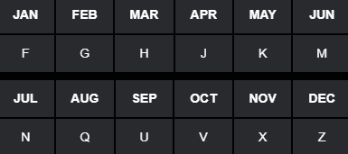
ED | Z3 | EDZ3 | Eurodollar Futures DEC-2023

Product Code |  |  | Month Code | Year Code

ED |  |  | Z | 3

